imp formulas in excel
=average()
Average | 15
 | 27
 | 42
 | 93
 | 56
 | 84
 | 75
 | 33
 | 49
 | 53.125
2.sum
=sum()
 |  |  |  | EXAMPLE
The SUMIF function is a premade function in Excel, which calculates the sum of values in a range based on a true or false condition.
 |  |  |  | CAR TYPE | NUMBER
 |  |  |  | MAZDA | 123
3.Sumif |  |  |  | HODA | 255
=sumif(range,criteria,sumrange)
 |  |  |  | TOYOTA | 455
 |  |  |  | MAZDA | 65
 |  |  |  | HYUNDAI | 433
 |  |  |  | MAZDA | 33
 |  |  |  | TOYOTA | 567
 |  |  |  | CARTYPE: | SUMIF:
 |  |  |  | mazda | 221
 |  |  |  |  | count:
counts the number of cell in a range that contains numbers only
4.Count |  |  |  |  | 7
=count
 |  |  |  |  | counta:
 |  |  |  |  | 7
 |  |  |  |  | countif:
counts the number of cells in a range that are not empty(that means counts everything including number and text)
 |  |  |  |  | 3
5.Counta

counts the empty cells too
6.countblank

counts the no of cells within a range that meets the given condition
7.countif

joins several text strings into one text string
 |  | example: | First Name | Last Name
8.concatenate |  |  | neenu | santhosh | bonny joseph
 |  |  | bonny | joseph | tinu santhosh
 |  |  | tinu | santhosh | pinky santhosh
 |  |  | pinky | santhosh

 |  | example | fruit: | TRUE
9.if |  |  | orange | FALSE
 |  |  | apple | FALSE
 |  |  | mango | FALSE
 |  |  | dragonfruit | FALSE

looks for the value in left most coloum of a table and returns the value in the same row from the coloumn you specify
10.vlookup |  | example
 |  | NAME | EMAIL | PHONE NUMNER | REVENUE
 |  | NEENU SANTHOSH | neenurachel123@gmail.com | 2483264091 | 900000 | NEENU
 |  | BONNY JOSEPH | bonnyjoseph1214@gmail.com | 3322013489 | 120000 | BONNY
 |  | TINU SANTHOSH | tinuanna124@gmail.com | 332423521 | 90000 | TINU
 |  | PINKY SANTHOSH | pinkysan222@gmail.com | 986756421 | 75000 | PINKY
 |  | SANTHOSH SAMUEL | santhoshsam77890@gmail.com | 97443323468 | 65000 | SANTHOSH

 |  | NAME: | PINKY SANTHOSH
 |  | EMAIL: | pinkysan222@gmail.com
 |  | PHONE: | 986756421
 |  | REVENUE: | 75000

11.Drop down list
click the cell and choose the data and then data validation and then click list and ok.

String Functions
SL | FUNCTIONS | EXAMPLE
1 |  | Col A
 |  | City - Kochi | Kochi
 |  | City - Delhi | Delhi
 |  | City - Mumbai | Mumbai

2 | Left function | Col A
 |  | 0892- ID | 0892
 |  | 0895- ID | 0895
 |  | 0898- ID | 0898
3 | Concat | Col A | Col B
 |  | Bonny | Joseph | Joseph , Bonny is a good guy

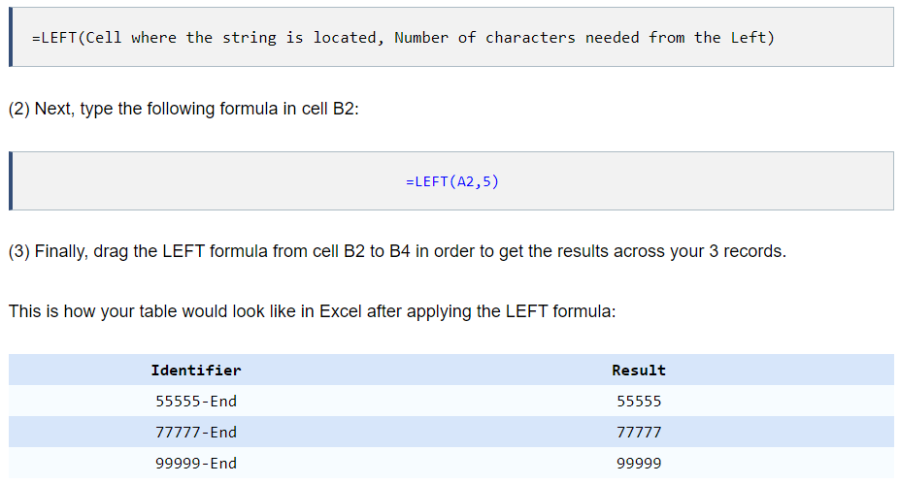
4 | Left

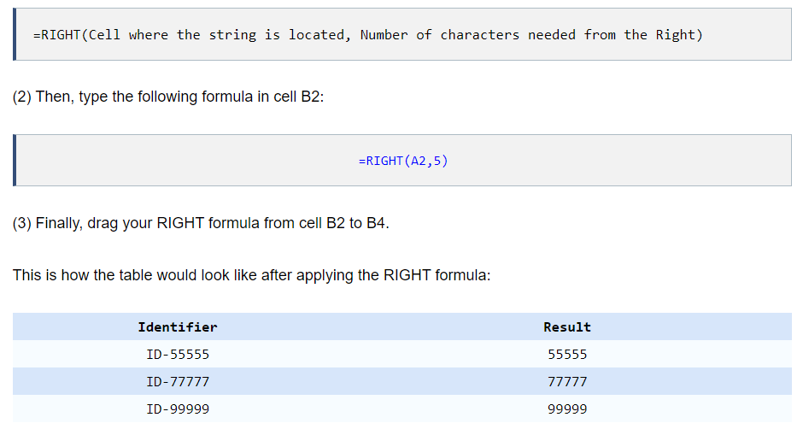
5 | Right

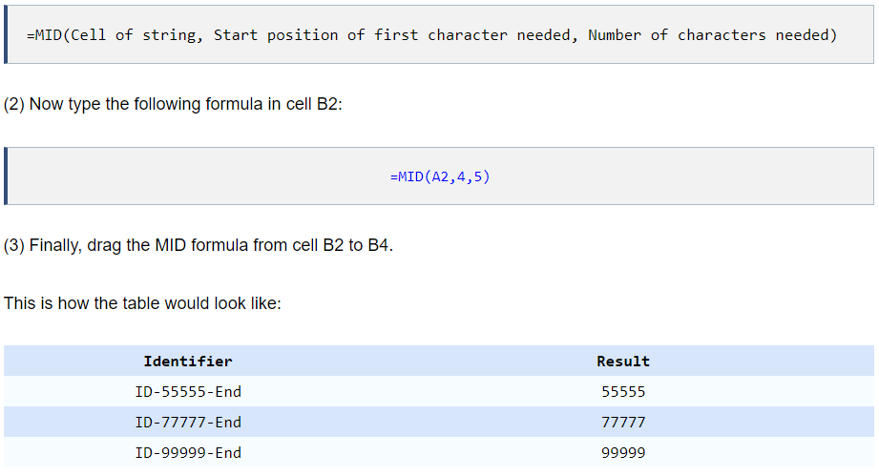
6 | Mid

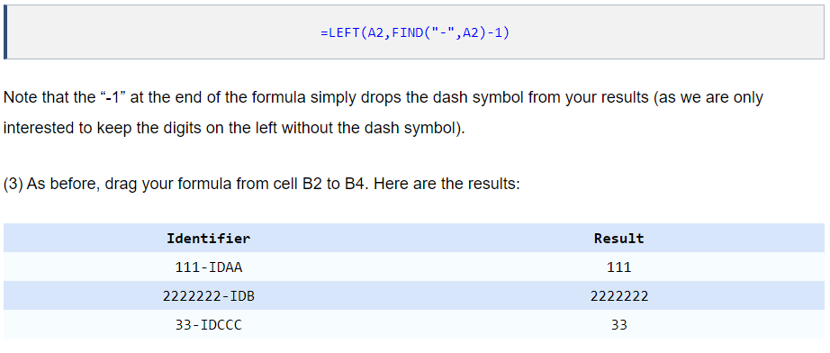
7 | Left and find

8 | Right and find

